Member Management
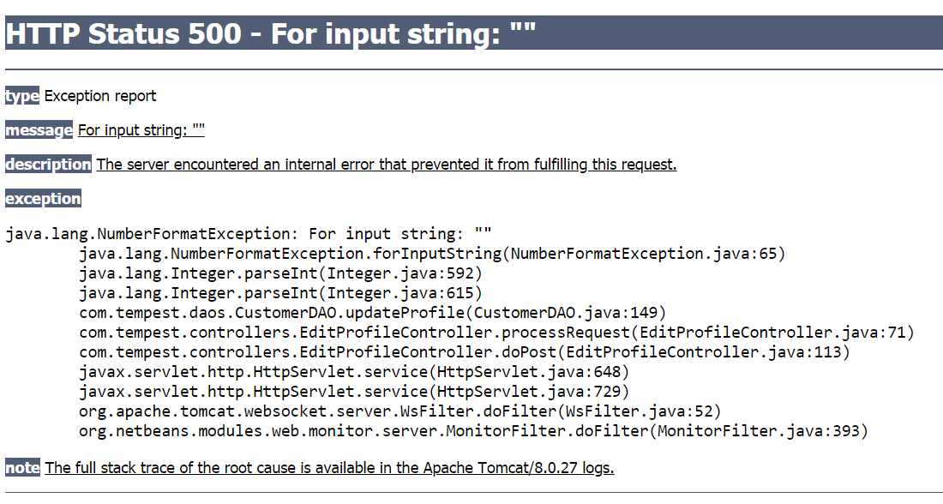
S/N | Type of test | Description | Test to run | Correct outcome | As per expectations? (Y/N)
1 | Ability to edit user profile | Change display pic | Change display pic | Should be able to change display pic | N, refer to screenshot below
2 |  | Change mobile number to another valid number | Fill in all 8 digits with numbers, which are not already recorded in the database | Should be able to change mobile number | Y
3 |  | Attempt to change mobile number to an invalid number | Fill in all 8 digits with numbers which are already existing in the database (duplicate mobile number) | Should not be able to change mobile number | N
4 |  | Attempt to change mobile number to an invalid number | Do not fill in all 8 digits (eg. fill in 7 digits of phone number) | Should not be able to change mobile number | N
5 |  | Attempt to change mobile number to an invalid number | Fill in some blanks with alphabets and special characters instead of numbers | Should not be able to change mobile number | N
6 |  | Change password | See tests in registration and authentication
7 |  | Change email | Fill in new email address which is not already recorded in the database | Should be able to change email address | N, no such functionality
8 |  | Attempt to change email address to a duplicate email address | Fill in new email address, which is already existing in the database | Should not be able to change email address | N, no such functionality
9 | Ability to view loyalty points history | View loyalty points history | View loyalty points history | Should be able to view loyalty points history | N, DB shows have pts but website says 0 pts
10 |  | Attempt to edit loyalty points history | Attempt to find a button to edit loyalty points | Should have no such edit button | Y
11 | Ability to view treatment history | View treatment history | View treatment history | Should be able to view treatment history | Y, but only tested 1 scenario so far
12 |  | Attempt to edit treatment history | Attempt to find a button to edit treatment history | Should not be able to edit treatment history | Y

Legend for bugs found and corresponding severity
 | Minor because it relates to a security feature or will be fixed when UI is up
 | Moderate because it affects functionality

Screenshot for test procedure 1

UI
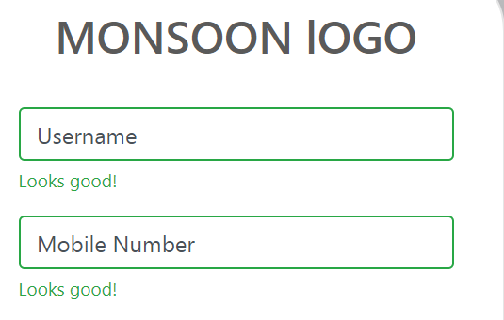
S/N | Area of website | Description | As per expectations? (Y/N)
1 | Drop-down list | Text should be visible | N, to use more contrasting colours for visibility
2 |  | All buttons required should be displayed | N, to add button for logging out Note: Only customer side doesn't have this yet, admin side correctly shows log out button
3 | Registration | Validation text should be consistent with actual validation | N, form correctly did not process invalid mobile number, but the validation text right below the field approved of the invalid number

Screenshot for checklist point 1


Screenshot for checklist point 3

